Indices

 | Iraq Stock Exchange
 | Bulletin No (229)

 | ISX Trading Indices of Monday 22/12/2025

 | Traded Volume and OTC |  | 779,022,331 |  | Traded Value and OTC |  | 1,960,937,219 |  | Traders | 1165

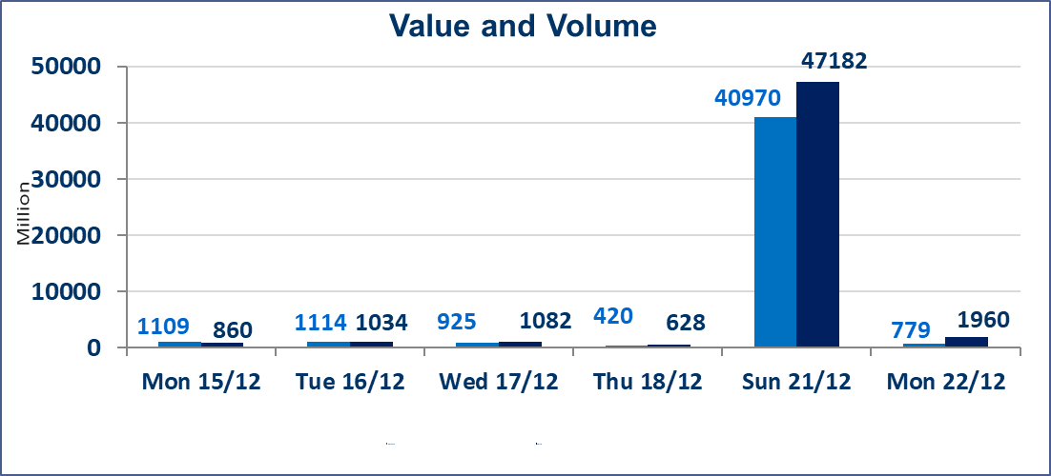
 | ISX Index 60 |  |  | 986.22 | ISX Index 15 |  |  | 1194.66
 | Previous ISX Index60 |  |  | 984.01 | Previous ISX Index15 |  |  | 1193.71
 | Change % |  |  | 0.22 | Change % |  |  | 0.08
 | Change |  |  | 2.21 | Change |  |  | 0.95

 | Listed Companies | 104 | OTC | 15 | Non Traded listed | 36 | OTC | 11
 | Traded Listed Companies | 52 | OTC | 2 | Higher Companies |  |  | 11
 | GAM Companies |  |  | 6 | Lower Companies |  |  | 13
 | Suspended Companies |  |  | 10
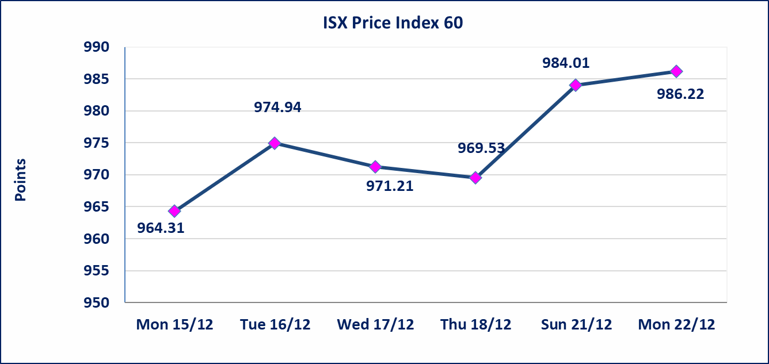
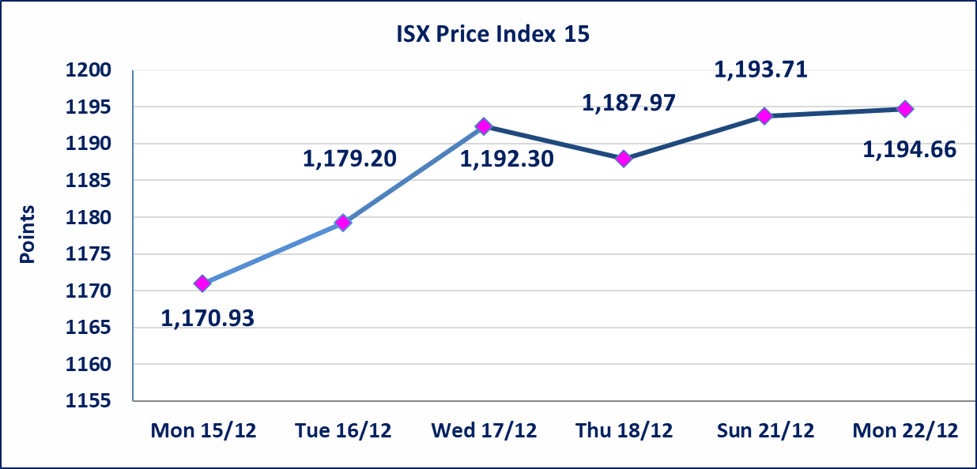

Al-Alwiya P.O . 3607 Mobile: 07711211522 - 07270094594 - 07834000034 E-mail: info-isx@isx-iq.net Web site:www.isx-iq.net

Top 5
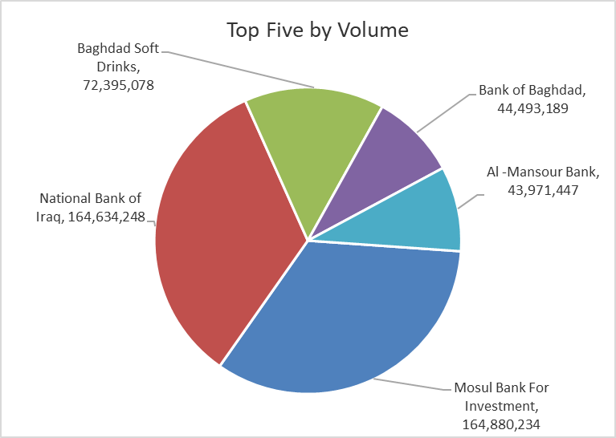
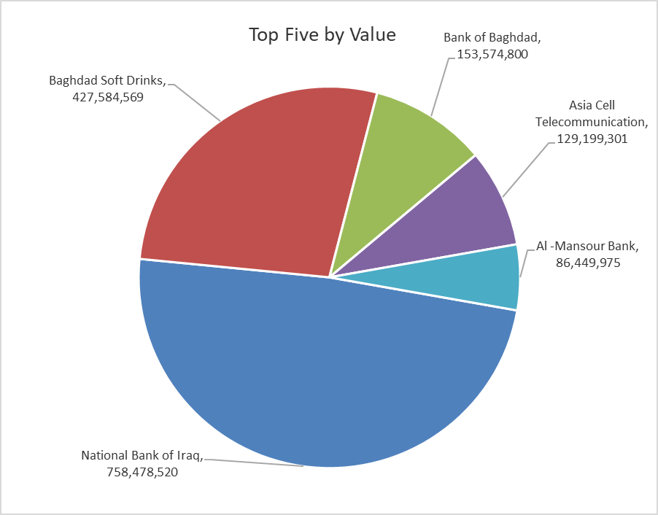
ISX top ganing and losing companies
Sunday 21/12/2025
 | Gainers |  |  |  | Losers
 | Company Name | Closing Price | Change (%) | Traded Volume | Company Name | Closing Price | Change (%) | Traded Volume
 | International Islamic Bank | 0.310 | 10.71 | 32,589,347 | Middle East Bank | 0.060 | -14.29 | 3,015,137
 | National Chemical &Plastic | 1.940 | 4.86 | 4,599,349 | National Furniture Industries | 1.100 | -11.29 | 70,729
 | Al-Hilal Industries | 1.780 | 4.71 | 1,272,188 | Mosul Bank For Investment | 0.160 | -5.88 | 164,880,234
 | Electronic Industry | 2.530 | 4.55 | 3,878,916 | Babil Animal & Vegetable Production | 10.500 | -3.67 | 2,716
 | The Light Industries | 1.420 | 4.41 | 22,237,937 | Iraqi Date Processing and Marketing | 2.750 | -2.48 | 1,150,805
 | The most active companies in term of traded volume and value

 | Traded Volume |  |  |  | Traded Value
 | Company Name | Closing Price | Change (%) | Traded Volume | Company Name | Closing Price | Change (%) | Traded Value
 | Mosul Bank For Investment | 0.160 | -5.88 | 164,880,234 | National Bank of Iraq | 4.640 | -1.07 | 758,478,520
 | National Bank of Iraq | 4.640 | -1.07 | 164,634,248 | Baghdad Soft Drinks | 5.900 | 3.51 | 427,584,569
 | Baghdad Soft Drinks | 5.900 | 3.51 | 72,395,078 | Bank of Baghdad | 3.450 | 0.00 | 153,574,800
 | Bank of Baghdad | 3.450 | 0.00 | 44,493,189 | Asia Cell Telecommunication | 13.200 | 0.00 | 129,199,301
 | Al -Mansour Bank | 1.960 | 0.00 | 43,971,447 | Al -Mansour Bank | 1.960 | 0.00 | 86,449,975

OTC

Iraq Stock Exchange

Monday 22/12/2025
OTC Platform Trading Bulletin No (229)
Company Name | Code | highest price | lowest price | Average price | No.of Trades | Traded Volume | Traded Value
Banks Sector
Al-Warka Bank | BWAI | 0.080 | 0.080 | 0.080 | 2 | 16,168,815 | 1,293,505
Total Of Banks Sector |  |  |  |  | 2 | 16,168,815 | 1,293,505
Industrial Sector
Kirkuk producing constructional materials | IKFP | 3.250 | 3.250 | 3.250 | 11 | 50,471,529 | 164,032,469
Total Of Industrial Sector |  |  |  |  | 11 | 50,471,529 | 164,032,469
Total |  |  |  |  | 13 | 66,640,344 | 165,325,974

Not Trading OTC Companies
Company Name |  |  | Code |  | Previous Average price
Banks Sector
Al-Sanam Islamic Bank |  |  | BSAN |  | 3.000
Hammurabi Commercial Bank |  |  | BHAM |  | ـــــــــــــــــــــــــــــــــــ
Money Service Sector
Rabee Securities |  |  | FRSE |  | 9.500
Karmal Brokerage |  |  | FKSX |  | 10.000
Ishtar Gate for e-Paymant |  |  | FISH |  | 1.000
Sama Baghdad Exchange |  |  | FSBE |  | ـــــــــــــــــــــــــــــــــــ
Iraqi Deposit Insurance Corporation |  |  | FIDI |  | ـــــــــــــــــــــــــــــــــــ
Insurance Sector
Kurdistan Insurance |  |  | NKUI |  | ـــــــــــــــــــــــــــــــــــ
Al Badia Insurance |  |  | NBAD |  | ـــــــــــــــــــــــــــــــــــ
Shatt Al Arab Insurance |  |  | NSHA |  | 1.000
Dilina Insurance Company |  |  | NDIL |  | ـــــــــــــــــــــــــــــــــــ

Non Iraqis

Iraq Stock Exchange
Non Iraqis' Bulletin Monday Dec 22 2025
Regular Market

Non Iraqi Trading of Regular Market (Buy)
Company Names | Code | No.of trades | Traded Shares | Trading Volume
Banks Sector
National Bank Of Iraq | BNOI | 4 | 2,000,000 | 9,290,000
Total Bank sector |  | 4 | 2,000,000 | 9,290,000
Grand Total |  | 4 | 2,000,000 | 9,290,000

Non Iraqi Trading of Regular Market (Sell)
Company Names | Code | No.of trades | Traded Shares | Trading Volume
Banks Sector
Bank Of Baghdad | BBOB | 6 | 5,000,000 | 17,250,000
Total Bank sector |  | 6 | 5,000,000 | 17,250,000
Telecommunication Sector
Al-Khatem Telecoms | TZNI | 1 | 4,725 | 16,538
Total Telecommunication sector |  | 1 | 4,725 | 16,538
Grand Total |  | 7 | 5,004,725 | 17,266,538

